Ledger
Date | Amount | Category | Payee | Description

2020-07-23 | 431.00 | Loan From Directors | Various | Start Up Costs Through September
2020-07-23 | (12.00) | Marketing | Google Domains | Kamik5K.org
2020-08-03 | (32.00) | Corp Overhead | NH Secretary of State | Incorporation Fees Paid
2020-08-03 | (275.00) | Corp Overhead | Pay.Gov | 501(c)(3) Application
2020-08-23 | (6.00) | Marketing | Google Domains | Kamik5K.org
2020-09-23 | (6.00) | Marketing | Google Domains | Kamik5K.org
2021-01-25 | 1,500.00 | Sponsorship | Kamik5K.org | Generous Essential Sponsor
2021-02-01 | 5.36 | Loan From Directors | Kamik5K.org | PayPal Test
February | 20.00 | Registration | Kamik5K.org | RaceWire
February | (324.55) | Marketing | Landmark & Foto & Harbor Tool | Samples & Community Sign
March | 100.00 | Registration | Kamik5K.org | RaceWire
March | 1,800.00 | Sponsorships | Kamik5K.org | Sponsorships
March | (84.37) | Marketing | GreenMtnMonogram | T-Shirt Balance
2021-03-22 | (614.71) | Repay Director Loan | Director | Repay Start Up Costs
April | 210.65 | Registration | Kamik5K.org | Registrations
April | 7,000.00 | Sponsorships | Kamik5K.org | Sponsorships

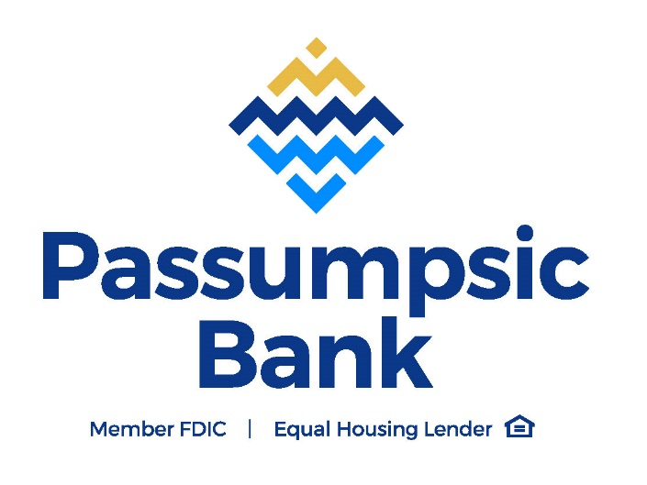
Total | 9,712.38

